How to filter
How to filter data

What is filtering?

Filtering can be useful if you wish to pick a certain category, such as a particular region, or to sort the data. Filtering does not change the data in any way, and as soon as the filter is removed, the data will reappear exactly the same as it was before. The short guide below refers to excel 2010, I have included links for other versions of excel at the bottom.

What does the filter look like?

We have set up the spreadsheet so it's already prepared to be filtered. The arrows buttons, as shown below, are the filter options. To filter click the arrow box.

How to filter a particular place:

To filter a particular station,region or any other category, go to the column you are interested in. In this example, we will filter data relating to the Government Office Region North East.

First of all, click the arrow next to Government Office Region, and the box below appears. Tick what categories you wish to be shown within the report. To select North East, click select all, so all ticks are removed. Then tick North East. You can pick as many regions as you wish.

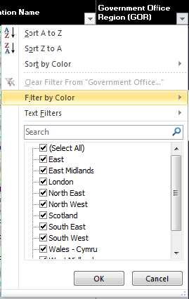
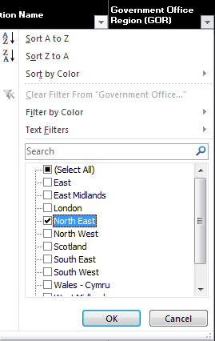

How to sort the data:

You can sort the data, this could be useful to find the number of journeys in ascending or descending order.

Click on the cateogry you wish to sort. In this case, I have selcted 1011 entries and exits. Click the largest to smallest item. Your data will now be sorted from the largest number of journeys to lowest number of journeys.

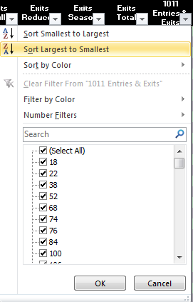

You can combine several filters at once. For example, you could use the two examples above to find out the highest number of journeys in the North East region.

Further links:

For excel 2003: | http://office.microsoft.com/en-us/excel-help/filter-by-using-advanced-criteria-HP005200178.aspx?CTT=1
 | http://office.microsoft.com/en-us/excel-help/about-filtering-HP005261132.aspx?CTT=1

For excel 2010: | http://office.microsoft.com/en-us/excel-help/filter-a-range-HP005199800.aspx?CTT=3

